Dashboard
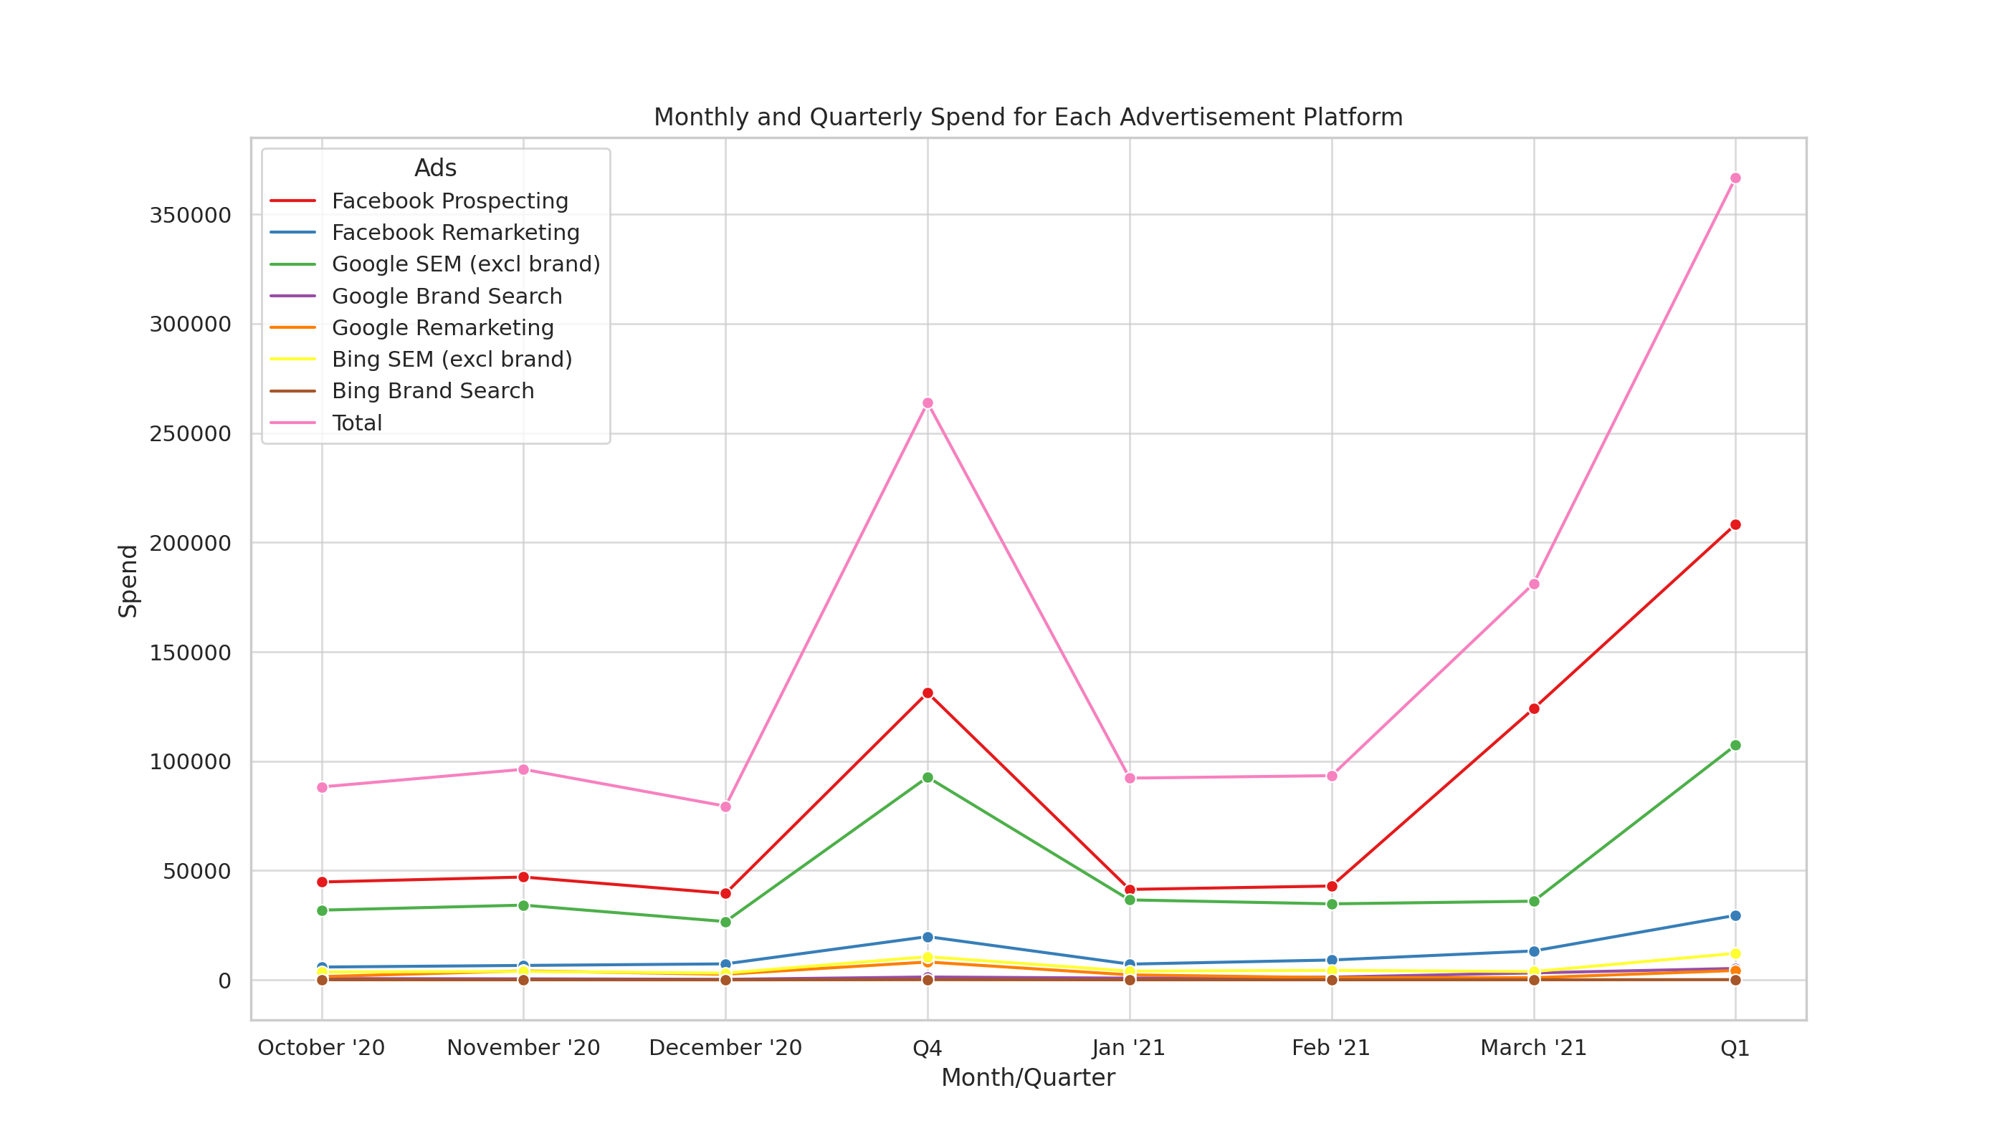
Lead Source vs Customer Conversion chart
 | Total Source CountSource | Customer Conversion
Total Spend Ad Platform |  |  |  |  | Monthly Quarterly Spend
 | Catogery Of Customer | Total Number of Leads | Leads Converted | Lead Conversion Percentage
 | Gifting | 2511 | 195 | 7.77%
 | Promo | 729 | 43 | 5.90%
 | Heritage | 4389 | 193 | 4.40%
 | Trauma | 2158 | 62 | 2.87%
 | Other | 1669 | 57 | 3.42%
 | Unknown | 1126 | 117 | 10.39%
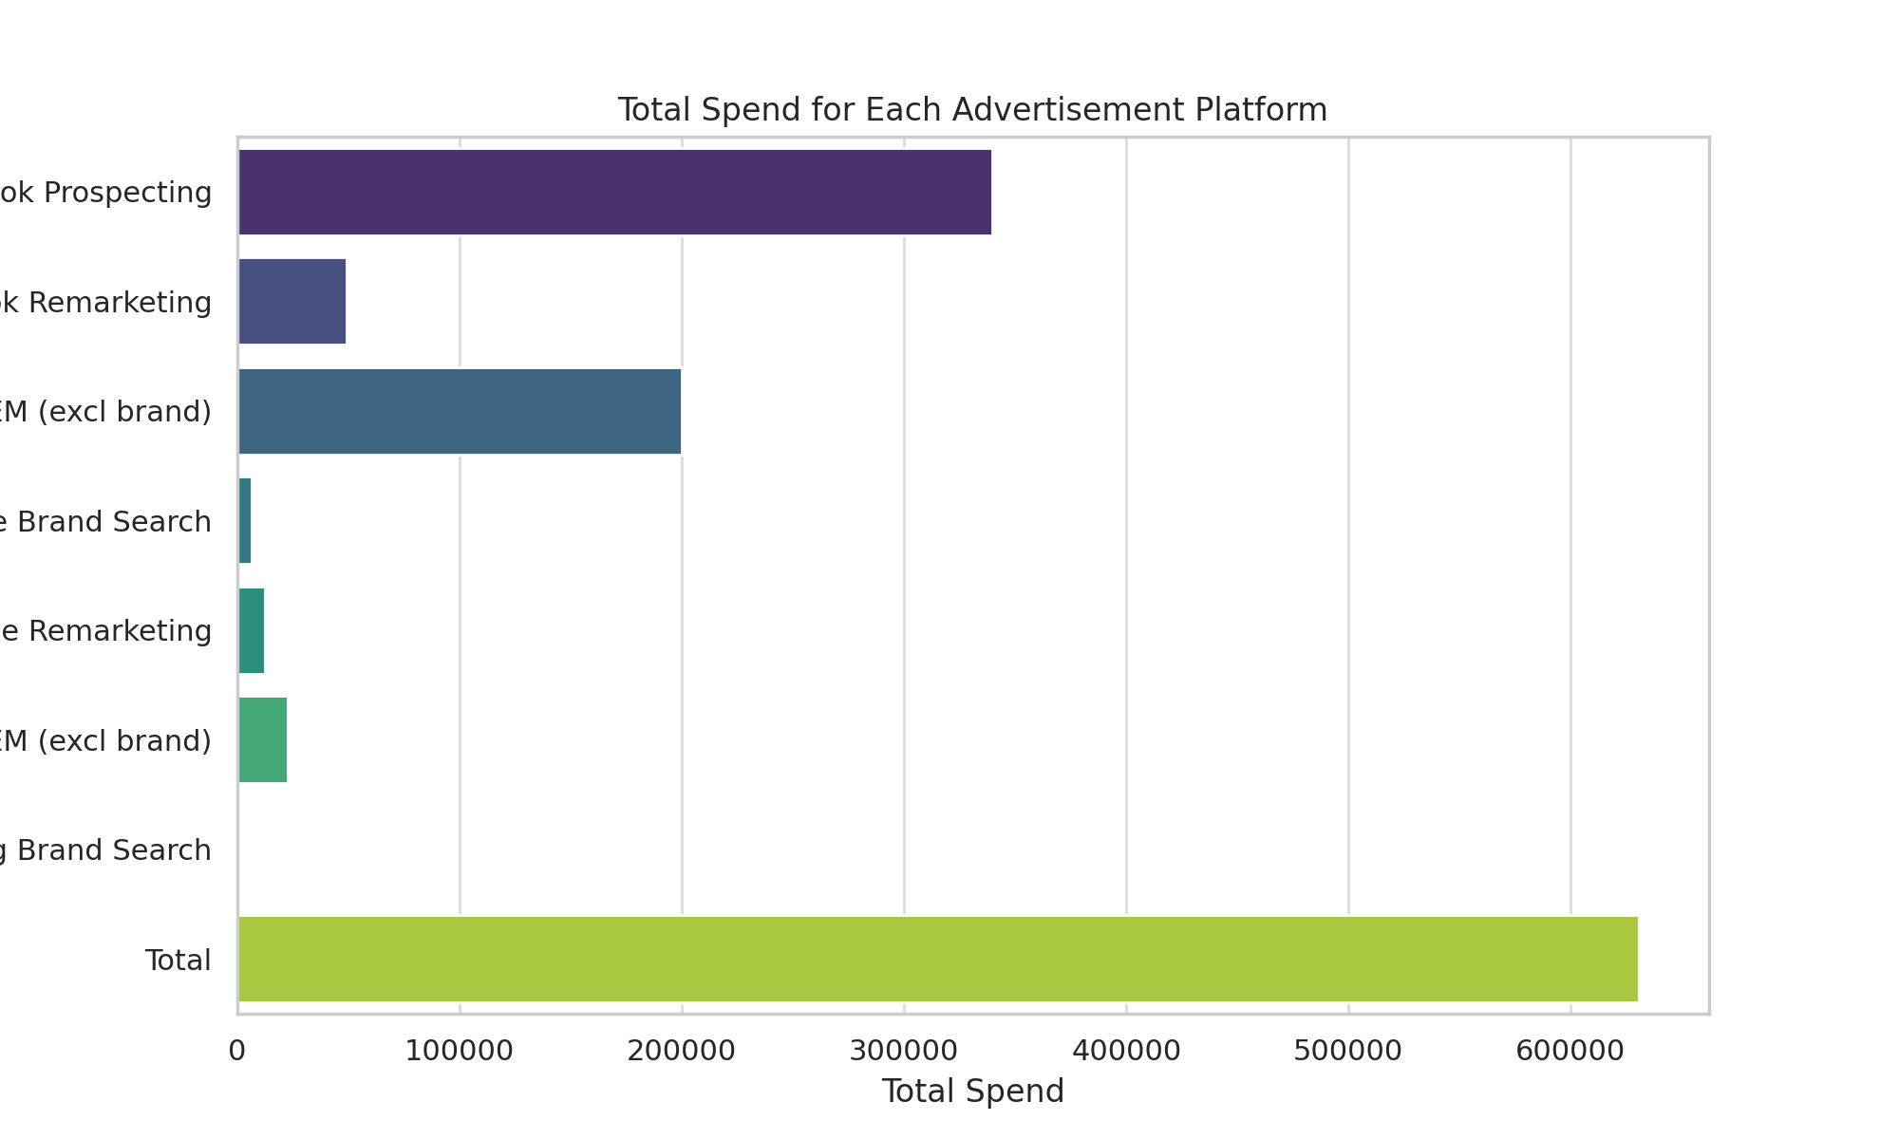
Leads vs Customer Conversion Monthwise
 | Lead Generated Month Wise | Customer Month Wise

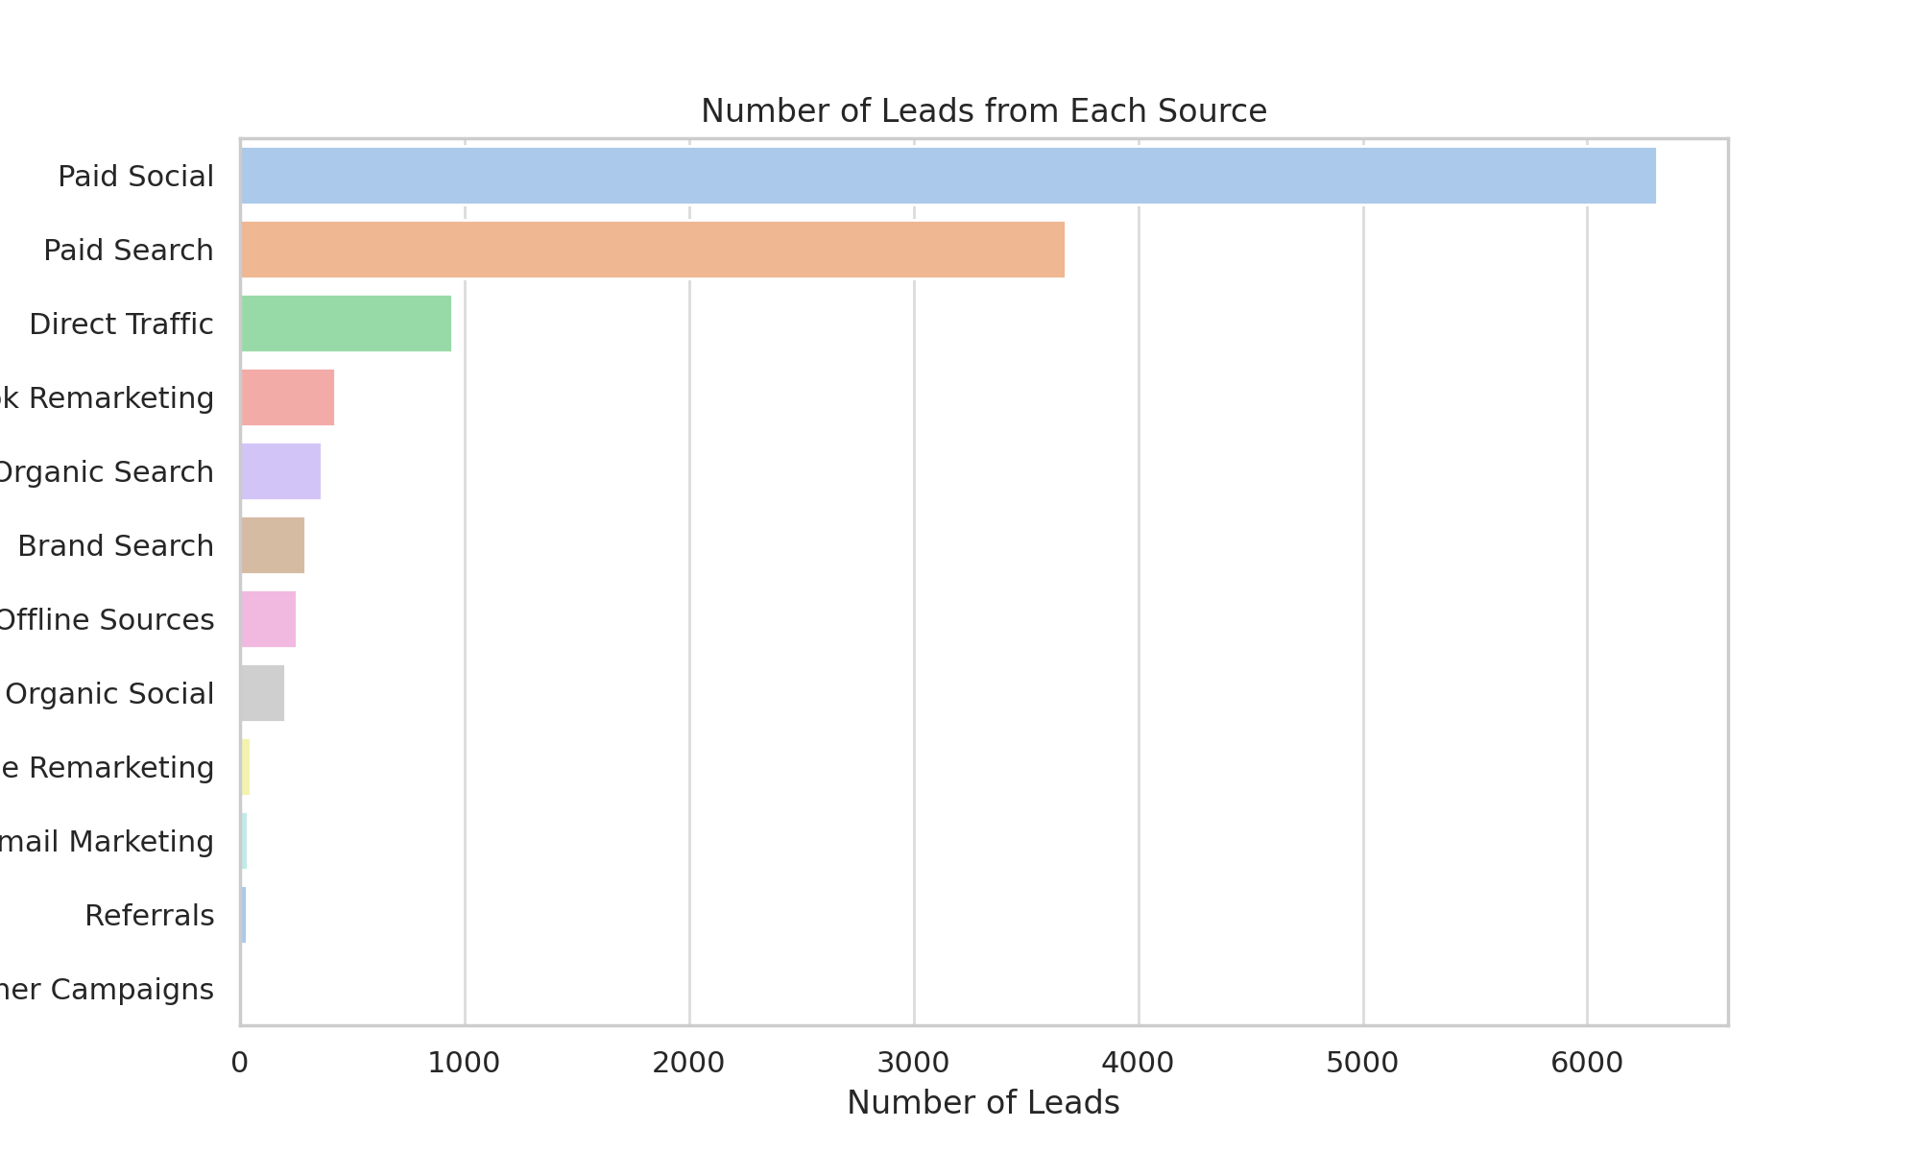

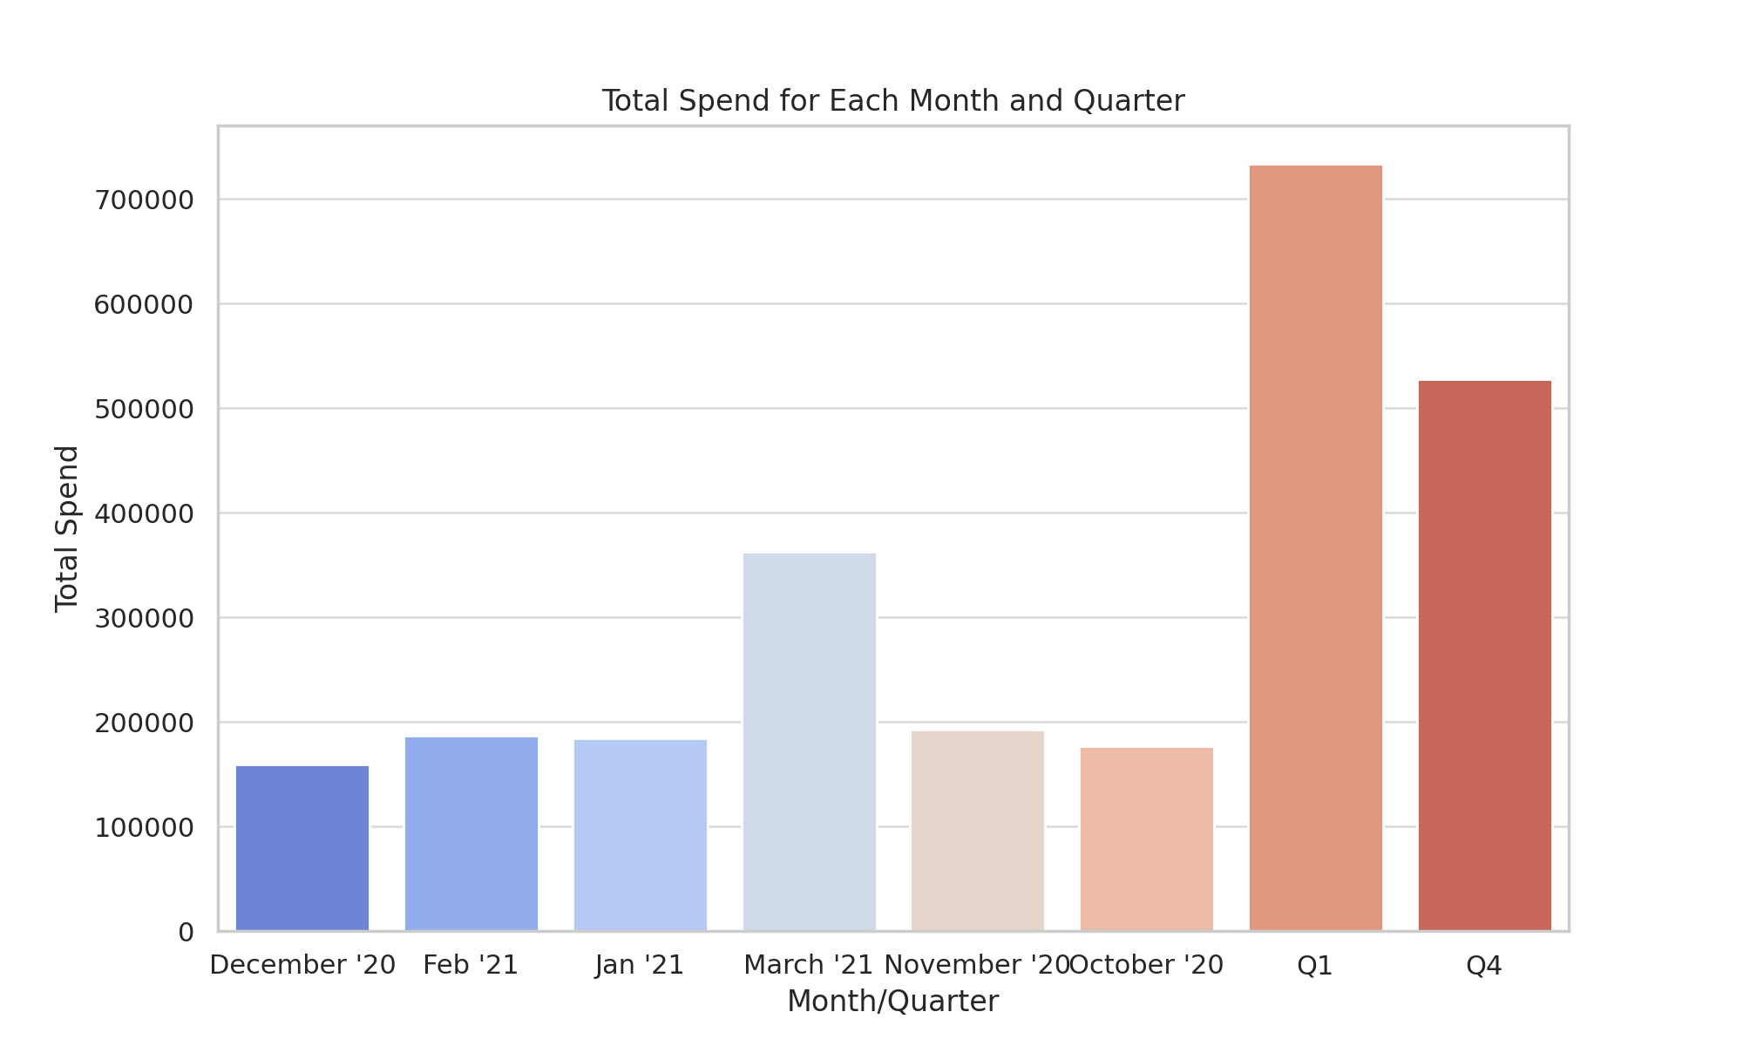
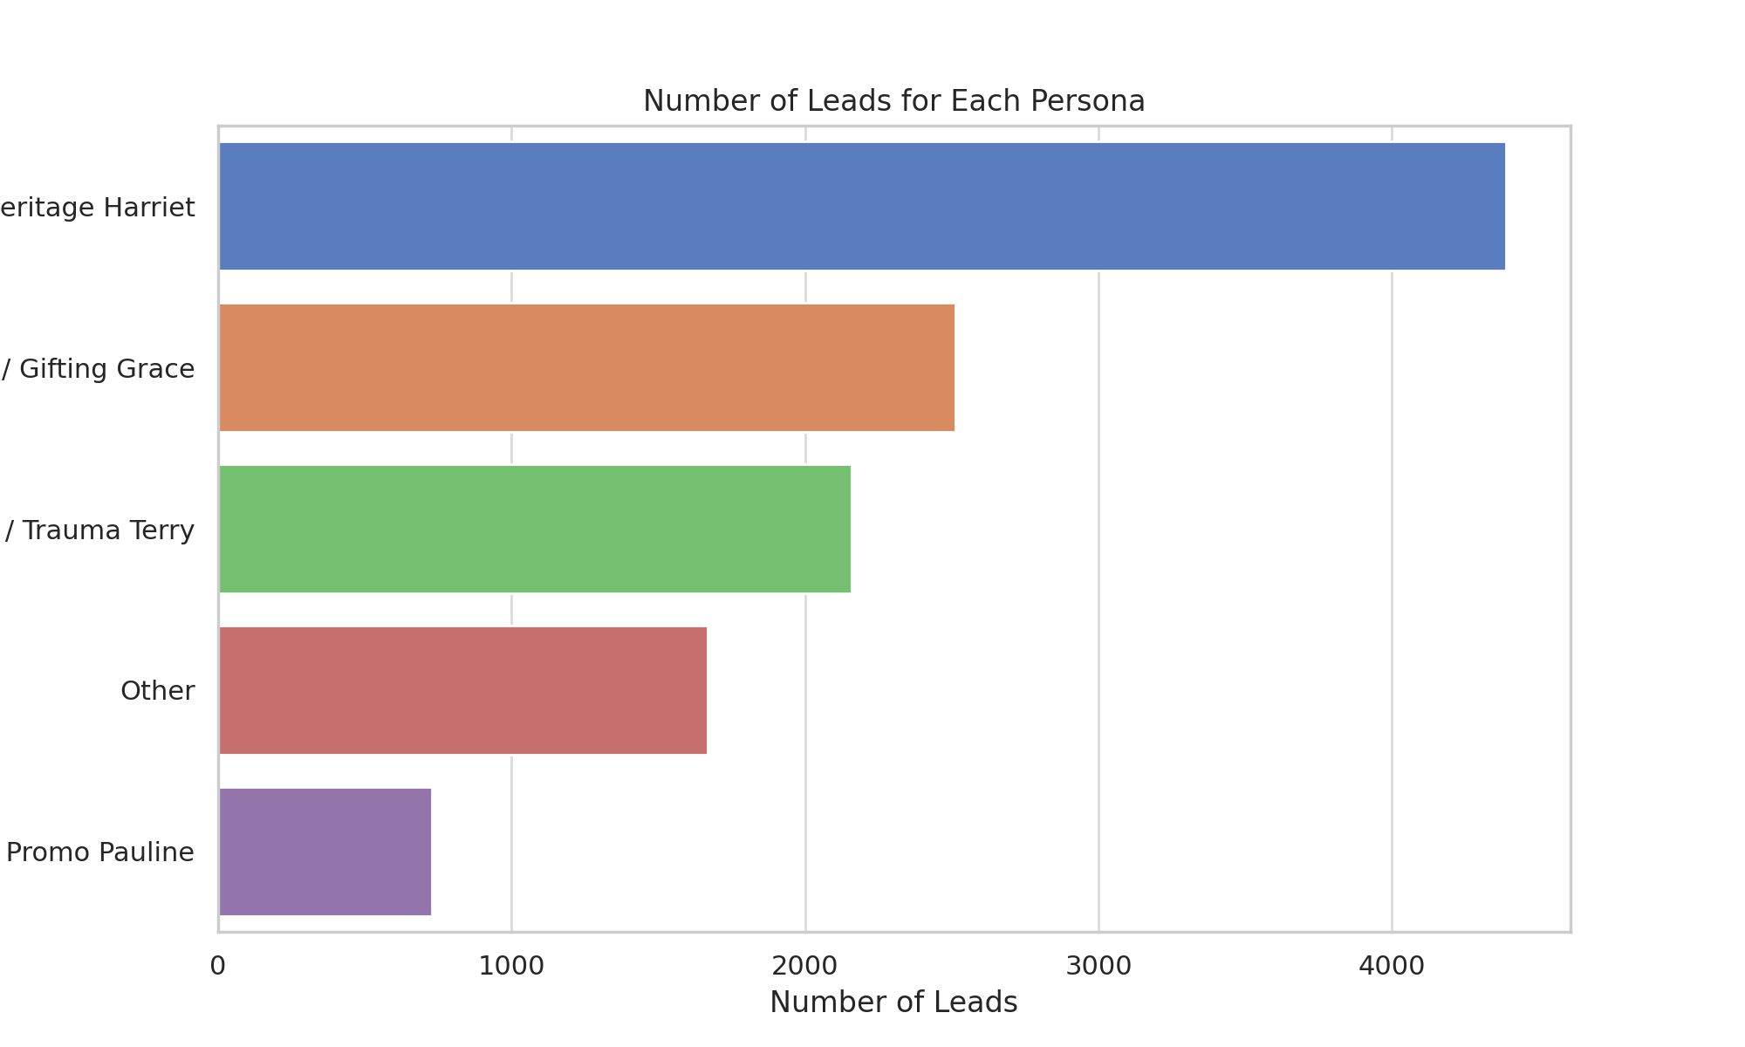
Total Spend Month Quarter

Quaterly Expense on Ads
 | Facebook Prospecting | Facebook Remarketing | Google SEM (excl brand) | Google Brand Search | Google Remarketing | Bing SEM (excl brand) | Bing Brand Search
Q4 | £131,291 | £19,776 | £92,698 | £1,309 | £8,165 | £10,576 | £99
Q1 | £208,273 | £29,500 | £107,285 | £5,225 | £4,276 | £12,135 | £102

Leads for Unkown vs Source
 | Total Source CountSource | count of Unknown

Leads Per Persona |  |  |  |  | Total Revenue Per Source

Leads Revenue Per Month

